DCF-Terminal
DCF-Terminal in M$ |  | Overview |  | Market Value
 |  | Ticker | LMT | Cap | 32,594
 |  | Date | 2025-01-23 | (-) Cash | 850 | JA 23 Verbindlichkeiten Kreditinstitute
 |  | Year end | 2025-12-31 | (+) Debt | 1,642 | JA 23 Verbindlichkeiten Kreditinstitute
 |  | Share Price | 750.87 | EV | 33,386
 |  | Outstanding (M) | 43.408 | EV per Share | 769.12
 |  |  |  | EV/EBIT | 22.75 | <- 23 to Date

DCF Assumptions

5y
Switches | use! | Forecast |  |  | Conservativ | Base | Optimistic |  |  |  |  |  |  |  | WACC
Assumptions |  | Assumptions |  | Year | Metric 1 | Metric 2 | Metric 3 |  |  |  |  |  |  |  | Base
Revenue | 1 | Revenue (hard) |  | '25-"26 | 26.7% | 26.7% | 26.7% |  |  |  |  |  |  |  | Market Cap |  | 32,594
EBIT | 1 | Revenue Growth |  | '27-"29 | -21.0% | -17.0% | -14.0% |  |  |  |  |  |  |  | % of Equity |  | 95.20%
WACC | 1 | EBIT (hard) |  | '25-"26 | 16.6% | 16.6% | 16.6% |  |  |  |  |  |  |  | Cost of Equity |  | 7.7%
TGR | 1 | EBIT Growth |  | '27-"29 | 0.3% | 6.3% | 8.8% |  |  |  |  |  |  |  | Risk Free Rate |  | 4.5%
 |  |  |  |  |  |  |  |  |  |  |  |  |  |  | Beta |  | 0.72 | https://finbox.com/OTCPK:RNMB.F/explorer/beta/
Valuation |  | WACC |  |  | 8.0% | 7.4% | 7.0% |  |  |  |  |  |  |  | Market Risk Premium |  | 4.5%
WACC | 8.0% | TGR GER (2%) |  |  | 1.1% | 1.5% | 1.9%
TGR | 1.1% |  |  |  |  |  |  |  |  |  |  |  |  |  | Debt |  | 1,642
 |  | Implied Price Per Share (hard) |  |  | 825.00 | 1204.00 | 1543.00 |  |  |  |  |  |  |  | % of Debt |  | 4.8%
 |  | Implied Upside/(Downside) |  |  | 10% | 60% | 105% |  |  |  |  |  |  |  | Cost of Debt |  | 1.9% | JA 23 Verbindlichkeiten Kreditinstitute
 |  | CAGR |  |  | 2.1% | 11.1% | 17.5% |  |  |  |  |  |  |  | Tax Rate |  | 25.0%

 |  | Mixed (><) |  |  |  |  |  |  |  |  |  |  |  |  | Total |  | 34,236
 |  | Implied Share Pirce |  | -
 |  | Implied Upside/(Downside) |  | #VALUE! |  |  |  |  |  |  |  |  |  |  | WACC |  | 7.4%
 |  | CAGR |  | #VALUE!

Income Statement |  | 2015A | 2016A | 2017A | 2018A | 2019A | 2020A | 2021A | 2022A | 2023A | 2024A | 2025E | 2026E | 2027E | 2028E | 2029E | EXIT
Revenue |  | 5,183 | 5,602 | 5,896 | 6,148 | 6,255 | 5,405 | 5,658 | 6,410 | 7,176 | 10,280 | 12,970 | 16,514 | <- | Forecast from MarketScreener in EUR (= 1,03 USD)
% growth |  |  | 8.1% | 5.2% | 4.3% | 1.7% | -13.6% | 4.7% | 13.3% | 12.0% | 43.3% | 26.2% | 27.3% |  | https://www.marketscreener.com/quote/stock/RHEINMETALL-AG-436527/finances/

EBIT |  | 314 | 379 | 355 | 448 | 482 | 436 | 614 | 754 | 852 | 1,468 | 2,061 | 2,853 | <- | Forecast from MarketScreener in EUR (= 1,03 USD)
% of Revenue |  | 6.1% | 6.8% | 6.0% | 7.3% | 7.7% | 8.1% | 10.9% | 11.8% | 11.9% | 14.3% | 15.9% | 17.3% |  | https://www.marketscreener.com/quote/stock/RHEINMETALL-AG-436527/finances/

Taxes |  | 61 | 84 | 94 | 131 | 123 | 83 | 150 | 183 | 185 | 259
Tax rate (ref. EBIT) |  | 27.6% | 28.1% | 27.2% | 27.0% | 25.8% | 22.6% | 25.8% | 25.5% | 22.7% | 25.8% | Mittelwert Forecast

Cash Flow Items |  | 2015A | 2016A | 2017A | 2018A | 2019A | 2020A | 2021A | 2022A | 2023A | 2024A | 2025E | 2026E | 2027E | 2028E | 2029E
D&A |  | 203 | 228 | 241 | 318 | 280 | 303 | 254 | 250 | 308 | 378 | <- 2024 is TTM
% of Revenue |  | 3.9% | 4.1% | 4.1% | 5.2% | 4.5% | 5.6% | 4.5% | 3.9% | 4.3% | 3.7%

CapEx |  | 301 | 282 | 267 | 204 | 280 | 217 | 268 | 330 | 396 | 574 | <- 2024 is TTM
% of Revenue |  | 5.8% | 5.0% | 4.5% | 3.3% | 4.5% | 4.0% | 4.7% | 5.1% | 5.5% | 5.6%

Change in NWC |  | 2 | (26) | (117) | 326 | 16 | 63 | (17) | 573 | 197 | (269) | <- 2024 is TTM
% of Revenue |  | 0.0% | -0.5% | -2.0% | 5.3% | 0.3% | 1.2% | -0.3% | 8.9% | 2.7% | -2.6%

DCF |  | 2015A | 2016A | 2017A | 2018A | 2019A | 2020A | 2021A | 2022A | 2023A | 2024A | 2025E | 2026E | 2027E | 2028E | 2029E
Period |  |  |  |  |  |  |  |  |  |  |  | 0.94
Discount Period |  |  |  |  |  |  |  |  |  |  |  | 0.47 | 1.47 | 2.47 | 3.47 | 4.47

Revenue |  | 5,183 | 5,602 | 5,896 | 6,148 | 6,255 | 5,405 | 5,658 | 6,410 | 7,176 | 10,280 | 13,030 | 16,514 | 20,002 | 23,338 | 26,412
% growth |  | 0.0% | 8.1% | 5.2% | 4.3% | 1.7% | -13.6% | 4.7% | 13.3% | 12.0% | 43.3% | 26.7% | 26.7% | 21.1% | 16.7% | 13.2%
Conservative Case |  |  |  |  |  |  |  |  |  |  |  | 26.7% | 26.7% | 21.1% | 16.7% | 13.2%
Base |  |  |  |  |  |  |  |  |  |  |  | 26.7% | 26.7% | 22.2% | 18.4% | 15.3%
Optimistic Case |  |  |  |  |  |  |  |  |  |  |  | 26.7% | 26.7% | 23.0% | 19.8% | 17.0%

EBIT |  | 314 | 379 | 355 | 448 | 482 | 436 | 614 | 754 | 852 | 1,468 | 2,161 | 2,739 | 3,327 | 3,894 | 4,420
% of Revenue |  | 6.1% | 6.8% | 6.0% | 7.3% | 7.7% | 8.1% | 10.9% | 11.8% | 11.9% | 14.3% | 16.6% | 16.6% | 16.6% | 16.7% | 16.7%
Conservative Case |  |  |  |  |  |  |  |  |  |  |  | 16.6% | 16.6% | 16.6% | 16.7% | 16.7%
Base |  |  |  |  |  |  |  |  |  |  |  | 16.6% | 16.6% | 17.6% | 18.7% | 19.9%
Optimistic Case |  |  |  |  |  |  |  |  |  |  |  | 16.6% | 16.6% | 18.0% | 19.6% | 21.4%

Taxes |  | 61 | 84 | 94 | 131 | 123 | 83 | 150 | 183 | 185 | 259 | 541 | 685 | 833 | 974 | 1,106
Tax rate |  | 27.6% | 28.1% | 27.2% | 27.0% | 25.8% | 22.6% | 25.8% | 25.5% | 22.7% | 25.8% | 25.0% | 25.0% | 25.0% | 25.0% | 25.0% | Mittelwert Forecast

EBIAT |  |  |  |  |  |  |  |  |  |  |  | 1,620 | 2,053 | 2,494 | 2,919 | 3,314

D&A |  | 203 | 228 | 241 | 318 | 280 | 303 | 254 | 250 | 308 | 378 | 596 | 756 | 915 | 1,068 | 1,208
% of Revenue |  | 3.9% | 4.1% | 4.1% | 5.2% | 4.5% | 5.6% | 4.5% | 3.9% | 4.3% | 3.7% | 4.6% | 4.6% | 4.6% | 4.6% | 4.6% | Mittelwert Forecast

CapEx |  | 301 | 282 | 267 | 204 | 280 | 217 | 268 | 330 | 396 | 574 | 640 | 811 | 983 | 1,147 | 1,298
% of Revenue |  | 5.8% | 5.0% | 4.5% | 3.3% | 4.5% | 4.0% | 4.7% | 5.1% | 5.5% | 5.6% | 4.9% | 4.9% | 4.9% | 4.9% | 4.9% | Mittelwert Forecast

Change in NWC |  | 2 | (26) | (117) | 326 | 16 | 63 | (17) | 573 | 197 | (269) | 221 | 280 | 340 | 396 | 449
% of Revenue |  | 0.0% | -0.5% | -2.0% | 5.3% | 0.3% | 1.2% | -0.3% | 8.9% | 2.7% | -2.6% | 1.7% | 1.7% | 1.7% | 1.7% | 1.7% | Mittelwert Forecast

Unlevered FCF |  |  |  |  |  |  |  |  |  |  |  | 1,355 | 1,717 | 2,087 | 2,444 | 2,776
Present Value of FCF |  |  |  |  |  |  |  |  |  |  |  | 1,307 | 1,533 | 1,725 | 1,870 | 1,966

Terminal Value |  |  |  |  |  |  |  |  |  |  |  |  |  |  |  | 40,560
Present Value of Terminal Value |  |  |  |  |  |  |  |  |  |  |  |  |  |  |  | 28,732
Enterprise Value |  |  |  |  |  |  |  |  |  |  |  |  |  |  |  | 37,133
(+) Cash |  |  |  |  |  |  |  |  |  |  |  |  |  |  |  | 850
(-) Debt |  |  |  |  |  |  |  |  |  |  |  |  |  |  |  | 1,642
Equity Value |  |  |  |  |  |  |  |  |  |  |  |  |  |  |  | 36,341

Diluted Shares (Avergage) |  |  |  |  |  |  |  |  |  |  |  |  |  |  |  | 44 | https://www.gurufocus.com/term/shares-outstanding/STU:RHM
Implied Stock Price |  |  |  |  |  |  |  |  |  |  |  |  |  |  |  | $825.94

Geopoltics: GER 2,12% -> 3%? |  |  | https://www.youtube.com/watch?v=nSNCKPYGzb0
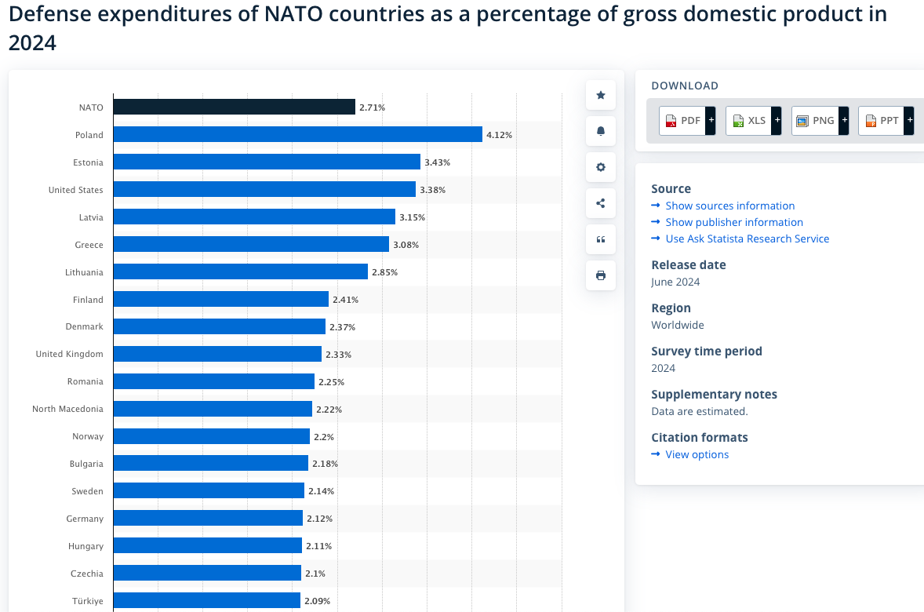

 |  |  |  |  |  |  |  |  |  |  |  |  |  | GI

